Sheet1
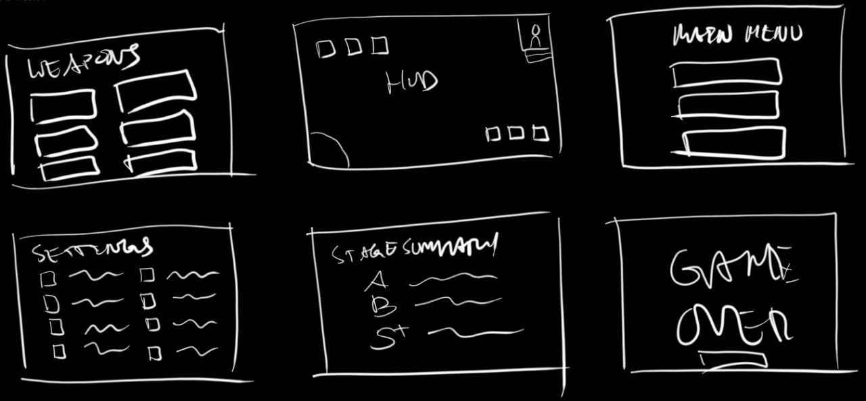
6th Sense Sprite Data |  | Dimensions |  | Starting Position
Name | Description | Width | Height | X | Y
Whole Window | Maximum Play Screen Area | 1440 | 810 | 0 | 0

Skill 1 - Shadow Sight | Enhanced Vision and Perception in the darkness (E)
Skill 2 - Abyssal Resonance | Slow down enemy movement (R)
Skill 3 - Spectral Echo | Invincibility Boost: Limited Time - Unlimited Ammo (Q)

Consumable 1 - Z | HP +5
Consumable 2 - X | Ammo/Charge/MP +5
Consumable 3 - C | Double Score Bonus

HP | Health Points
Score | Aquired Abyssal Fragments
Ammo/Charges/MP
Sprint | Shift***
Weapon Slot / Magic | 1,2,3,4,5
Enemy Count | ##########
Dodge | Space***
------------------------------

Magic Missile | Seeking/Tracking
Magic Cannon | Piercing
Magic Bullet | Basic
Magic Shotgun | Multi-hit
Magic Sniper | Long-Range

Symbiote / Dark Slime | 100 pts
Wraiths
Revenants
Abyssal Serpents

MENUS
Weapons
Settings
Stage Summary
Game Over
HUD
Main Menu

